Job Details

Job Number & Name: | 35084 LB Bexley
Site Number/Name: | Site 3 - Alma Road
Client: | Waterman
Date: | 2023-03-30

Site Plan
Advanced Transport Research |  |  | Job Number & Name: | 35084 LB Bexley
Site 3 - Alma Road |  |  | Date: | 2023-03-30

Job Type: | Pedestrian & Vehicle Count
Co-ordinates: | 51°25'55.45"N, 0° 6'16.59"E | Postcode: | DA14 4AJ |  | Times: | 0730-0930 1430-1630

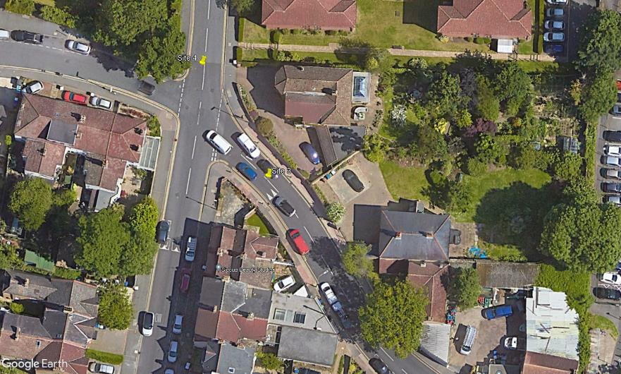
N
Hatherley Road

1
2

D

C
A

B

Alma Road
3

